Income Assumptions
(Thousands of Bahamian Dollars) All assumptions are highlighted in BLUE
 |  |  | Historical |  |  |  |  | Projections
Income Statement Assumptions: |  | Units | FY21 | FY22 | FY23 | FY24 | FY25 | FY26 | FY27 | FY28 | FY29 | FY30
 |  |  |  |  |  |  |  |  |  |  |  |  | Active Scenario
 | Total Revenue: | $ Thousands | 28,775 | 29,960 | 35,839 | 35,738 | 38,560 | 37,189 | 38,230 | 39,302 | 40,406 | 41,544 | Base
 | Revenue Growth Rate: | % | N/A | 4.1% | 19.6% | (0.3%) | 7.9% | (3.6%) | 2.8% | 2.8% | 2.8% | 2.8% |  | FY26 Budget (pg.9) |  |  | FY27-30
 |  |  |  |  |  |  |  |  |  |  |  |  | Revenue Stream | Bear | Base | Bull | Bear | Base | Bull
 | Landing Fees: | $ Thousands | 12,075 | 13,019 | 15,064 | 15,668 | 16,100 | 15,778 | 16,251 | 16,738 | 17,241 | 17,758 | Landing Fees | (4.0%) | (2.0%) | 0.0% | 1.0% | 3.0% | 5.0%
 | Growth Rate: | % | (9%) | 8% | 16% | 4% | 3% | (2.0%) | 3.0% | 3.0% | 3.0% | 3.0%
 | % Revenue | % | 42% | 43% | 42% | 44% | 42% | 41% | 42% | 43% | 45% | 46%

 | Terminal Handling Fees: | $ Thousands | 4,070 | 4,313 | 4,871 | 5,327 | 5,608 | 5,552 | 5,746 | 5,947 | 6,155 | 6,371 | Terminal Handling Fees | (3.0%) | (1.0%) | 0.0% | 1.5% | 3.5% | 5.5% | Set slightly higher than landing because handling revenue has grown a touch faster
 | Growth Rate: | % | (5%) | 6% | 13% | 9% | 5% | (1.0%) | 3.5% | 3.5% | 3.5% | 3.5%
 | % Revenue | % | 14% | 14% | 14% | 15% | 15% | 14% | 15% | 15% | 16% | 17%

 | Stevedoring Fees: | $ Thousands | 2,873 | 3,144 | 3,388 | 3,505 | 3,988 | 3,869 | 3,985 | 4,104 | 4,227 | 4,354 | Stevedoring Fees | (5.0%) | (3.0%) | (1.0%) | 1.0% | 3.0% | 6.0% | FY25 was a strong year because break-bulk (loose, non-containerized cargo like vehicles and machinery) was up sharply. That strength may not fully repeat so the base is a normal 3%
 | Growth Rate: | % | (2%) | 9% | 8% | 3% | 14% | (3.0%) | 3.0% | 3.0% | 3.0% | 3.0%
 | % Revenue | % | 10% | 10% | 9% | 10% | 10% | 10% | 10% | 11% | 11% | 11%

 | Security: | $ Thousands | 2,371 | 2,529 | 2,852 | 2,977 | 3,025 | 2,964 | 3,038 | 3,114 | 3,192 | 3,272 | Security | (3.0%) | (2.0%) | (0.5%) | 1.0% | 2.5% | 4.0% | Scales directly with how much cargo comes through, so it tracks volume steadily
 | Growth Rate: | % | (7%) | 7% | 13% | 4% | 2% | (2.0%) | 2.5% | 2.5% | 2.5% | 2.5%
 | % Revenue | % | 8% | 8% | 8% | 8% | 8% | 8% | 8% | 8% | 8% | 8%

 | Storage Fees: | $ Thousands | 2,392 | 1,587 | 3,595 | 1,882 | 2,688 | 2,016 | 2,016 | 2,016 | 2,016 | 2,016 | Storage Fees | (30.0%) | (25.0%) | (15.0%) | (5.0%) | 0.0% | 5.0% | Management says they CAN'T control this (spikes when port is congested and drops when it clears) It jumped in FY24 then fell hard in FY25, so it's the most unpredictable line
 | Growth Rate: | % | (1%) | (34%) | 127% | (48%) | 43% | (25.0%) | 0.0% | 0.0% | 0.0% | 0.0%
 | % Revenue | % | 8% | 5% | 10% | 5% | 7% | 5% | 5% | 5% | 5% | 5%

 | Gate Fees: | $ Thousands | 2,123 | 2,286 | 2,405 | 2,447 | 2,540 | 2,489 | 2,551 | 2,615 | 2,680 | 2,747 | Gate Fees | (4.0%) | (2.0%) | 0.0% | 1.0% | 2.5% | 4.0% | Driven by container activity, so it moves steadily with overall volume
 | Growth Rate: | % | (7%) | 8% | 5% | 2% | 4% | (2.0%) | 2.5% | 2.5% | 2.5% | 2.5%
 | % Revenue | % | 7% | 8% | 7% | 7% | 7% | 6% | 7% | 7% | 7% | 7%

 | Subleases: | $ Thousands | 1,509 | 1,421 | 1,464 | 1,507 | 1,833 | 1,870 | 1,926 | 1,984 | 2,043 | 2,105 | Subleases | 0.0% | 2.0% | 4.0% | 1.5% | 3.0% | 4.0% | These leases have built-in annual rent increases tied to inflation
 | Growth Rate: | % | 1% | (6%) | 3% | 3% | 22% | 2.0% | 3.0% | 3.0% | 3.0% | 3.0%
 | % Revenue | % | 5% | 5% | 4% | 4% | 5% | 5% | 5% | 5% | 5% | 5%

 | Reefer Line: | $ Thousands | 625 | 764 | 1,397 | 1,289 | 1,540 | 1,479 | 1,523 | 1,569 | 1,616 | 1,664 | Reefer Line | (6.0%) | (4.0%) | (2.0%) | 0.0% | 3.0% | 6.0%
 | Growth Rate: | % | (45%) | 22% | 83% | (8%) | 20% | (4.0%) | 3.0% | 3.0% | 3.0% | 3.0%
 | % Revenue | % | 2% | 3% | 4% | 4% | 4% | 4% | 4% | 4% | 4% | 4%

 | Hazmat Fees: | $ Thousands | 331 | 349 | 334 | 365 | 446 | 437 | 446 | 454 | 464 | 473 | Hazmat Fees | (4.0%) | (2.0%) | 0.0% | 0.0% | 2.0% | 4.0%
 | Growth Rate: | % | (9%) | 6% | (4%) | 9% | 22% | (2.0%) | 2.0% | 2.0% | 2.0% | 2.0%
 | % Revenue | % | 1% | 1% | 1% | 1% | 1% | 1% | 1% | 1% | 1% | 1%

 | Dockage: | $ Thousands | 284 | 294 | 312 | 387 | 352 | 345 | 352 | 359 | 366 | 374 | Dockage | (4.0%) | (2.0%) | 0.0% | 0.0% | 2.0% | 4.0%
 | Growth Rate: | % | (3%) | 3% | 6% | 24% | (9%) | (2.0%) | 2.0% | 2.0% | 2.0% | 2.0%
 | % Revenue | % | 1% | 1% | 1% | 1% | 1% | 1% | 1% | 1% | 1% | 1%

 | Line Handling Fees: | $ Thousands | 72 | 81 | 88 | 104 | 113 | 113 | 117 | 122 | 127 | 132 | Line Handling Fees | (2.0%) | 0.0% | 2.0% | 2.0% | 4.0% | 6.0%
 | Growth Rate: | % | (2%) | 13% | 8% | 18% | 9% | 0.0% | 4.0% | 4.0% | 4.0% | 4.0%
 | % Revenue | % | 0% | 0% | 0% | 0% | 0% | 0% | 0% | 0% | 0% | 0%

 | Other Income: | $ Thousands | 50 | 174 | 69 | 282 | 328 | 279 | 279 | 279 | 279 | 279 | Other Income | (17.0%) | (15.0%) | (13.0%) | (10.0%) | 0.0% | 5.0% | Lumpy and unpredictable year to year with no clear trend
 | Growth Rate: | % | (13%) | 248% | (60%) | 307% | 16% | (15.0%) | 0.0% | 0.0% | 0.0% | 0.0%
 | % Revenue | % | 0% | 1% | 0% | 1% | 1% | 1% | 1% | 1% | 1% | 1%

 |  | Excluding D&A | 14,235 | 14,867 | 17,161 | 17,364 | 18,581 | 17,734 | 18,173 | 18,683 | 19,208 | 19,749
 | Selling General & Administrative: | $ Thousands | 18,208 | 19,335 | 23,198 | 21,072 | 22,628 | 21,851 | 22,220 | 22,661 | 23,120 | 23,597

 | Salaries, Employee Benefits and Training: | $ Thousands | 4,550 | 4,472 | 5,036 | 5,004 | 5,489 | 5,281 | 5,389 | 5,540 | 5,696 | 5,856 | FY26 budget; 3yr average
 | % Revenue | % | 15.8% | 14.9% | 14.1% | 14.0% | 14.2% | 14.2% | 14.1% | 14.1% | 14.1% | 14.1%

 | Terminal Handling Costs: | $ Thousands | 3,907 | 3,784 | 5,282 | 5,087 | 5,558 | 5,378 | 5,528 | 5,683 | 5,843 | 6,008 | 3yr average
 | % Revenue | % | 13.6% | 12.6% | 14.7% | 14.2% | 14.4% | 14.5% | 14.5% | 14.5% | 14.5% | 14.5%

 | Government Fees and Taxes: | $ Thousands | 1,485 | 1,334 | 1,254 | 1,084 | 1,060 | 1,151 | 1,183 | 1,216 | 1,250 | 1,285 | Declining trend; 3yr average
 | % Revenue | % | 5.2% | 4.5% | 3.5% | 3.0% | 2.8% | 3.1% | 3.1% | 3.1% | 3.1% | 3.1%

 | Repairs and Maintenance: | $ Thousands | 1,235 | 1,031 | 1,049 | 1,505 | 1,260 | 1,290 | 1,326 | 1,363 | 1,402 | 1,441 | 3yr average
 | % Revenue | % | 4.3% | 3.4% | 2.9% | 4.2% | 3.3% | 3.5% | 3.5% | 3.5% | 3.5% | 3.5%

 | Utilities: | $ Thousands | 930 | 947 | 1,101 | 1,278 | 1,323 | 1,250 | 1,284 | 1,320 | 1,358 | 1,396 | 3yr average
 | % Revenue | % | 3.2% | 3.2% | 3.1% | 3.6% | 3.4% | 3.4% | 3.4% | 3.4% | 3.4% | 3.4%

 | Government Lease: | $ Thousands | 424 | 658 | 999 | 1,040 | 1,162 | 1,116 | 1,147 | 1,179 | 1,212 | 1,246
 | % Revenue | % | 1.5% | 2.2% | 2.8% | 2.9% | 3.0% | 3.0% | 3.0% | 3.0% | 3.0% | 3.0%

 | Security: | $ Thousands | 349 | 366 | 372 | 392 | 360 | 372 | 382 | 393 | 404 | 415
 | % Revenue | % | 1.2% | 1.2% | 1.0% | 1.1% | 0.9% | 1.0% | 1.0% | 1.0% | 1.0% | 1.0%

 | Legal and Other Professional Fees: | $ Thousands | 336 | 625 | 822 | 1,000 | 547 | 707 | 710 | 730 | 750 | 771 | 3yr average excluding-FY24 legal spike
 | % Revenue | % | 1.2% | 2.1% | 2.3% | 2.8% | 1.4% | 1.9% | 1.9% | 1.9% | 1.9% | 1.9%

 | Insurance: | $ Thousands | 279 | 377 | 365 | 396 | 435 | 446 | 459 | 472 | 485 | 499 | Adjusted to get to FY26 budget
 | % Revenue | % | 1.0% | 1.3% | 1.0% | 1.1% | 1.1% | 1.2% | 1.2% | 1.2% | 1.2% | 1.2%

 | Other Operating Expenses: | $ Thousands | 302 | 259 | 458 | 347 | 437 | 446 | 459 | 472 | 485 | 499 | Adjusted to get to FY26 budget
 | % Revenue | % | 1.1% | 0.9% | 1.3% | 1.0% | 1.1% | 1.2% | 1.2% | 1.2% | 1.2% | 1.2%

 | Office Supplies, Postage and Delivery: | $ Thousands | 124 | 146 | 177 | 120 | 184 | 186 | 191 | 197 | 202 | 208
 | % Revenue | % | 0.4% | 0.5% | 0.5% | 0.3% | 0.5% | 0.5% | 0.5% | 0.5% | 0.5% | 0.5%

 | Company Meetings and Events: | $ Thousands | 76 | 92 | 85 | 108 | 122 | 112 | 115 | 118 | 121 | 125
 | % Revenue | % | 0.3% | 0.3% | 0.2% | 0.3% | 0.3% | 0.3% | 0.3% | 0.3% | 0.3% | 0.3%

 | Loss on Disposal of PP&E: | $ Thousands | 238 | 775 | 161 | 4 | 10 | 0 | 0 | 0 | 0 | 0
 | % Revenue | % | 0.8% | 2.6% | 0.4% | 0.0% | 0.0% | 0.0% | 0.0% | 0.0% | 0.0% | 0.0%

 | Write Down of Obsolete Inventory | $ Thousands | 0 | 0 | 0 | 0 | 633 | 0 | 0 | 0 | 0 | 0
 | % Revenue | % | 0.0% | 0.0% | 0.0% | 0.0% | 1.6% | 0.0% | 0.0% | 0.0% | 0.0% | 0.0%

 | Depreciation and Amortization: | $ Thousands | 3,973 | 4,468 | 6,037 | 3,708 | 4,047 | 4,118 | 4,047 | 3,978 | 3,912 | 3,848
 | D&A Margin | % | 13.8% | 14.9% | 16.8% | 10.4% | 10.5% | 11.1% | 10.6% | 10.1% | 9.7% | 9.3%

 | Other Operating Expenses | $ Thousands | (3,895) | (3,207) | (2,954) | (2,756) | (2,819) | (2,580) | (2,459) | (2,324) | (2,187) | (2,047)
 | Preference Share Dividends: | $ Thousands | (1,768) | (321) | 0 | 0 | 0 | 0 | 0 | 0 | 0 | 0
 | Interest on Lease Liability: | $ Thousands | (2,124) | (2,119) | (2,533) | (2,430) | (2,436) | (2,441) | (2,460) | (2,479) | (2,497) | (2,516)
 | Interest Expense: | $ Thousands | (11) | (770) | (877) | (813) | (752) | (694) | (628) | (562) | (496) | (429)
 | BoP Cash (Prior Year): | $ Thousands | N/A | 17,607 | 19,817 | 16,194 | 17,769 | 17,691 | 19,400 | 21,775 | 24,273 | 26,893
 | BoP Investments (Prior Year): | $ Thousands | N/A | 0 | 425 | 5,385 | 3,413 | 10,043 | 12,043 | 14,043 | 16,043 | 18,043
 | Yield: | % | N/A | 0.02% | 2.25% | 2.26% | 1.74% | 2.00% | 2.00% | 2.00% | 2.00% | 2.00%
 | Interest Income: | $ Thousands | 8 | 3 | 455 | 487 | 369 | 555 | 629 | 716 | 806 | 899

 | Other | $ Thousands
 | Effective Tax Rate: | % | 0% | 0% | 0% | 0% | 0% | 0% | 0% | 0% | 0% | 0%

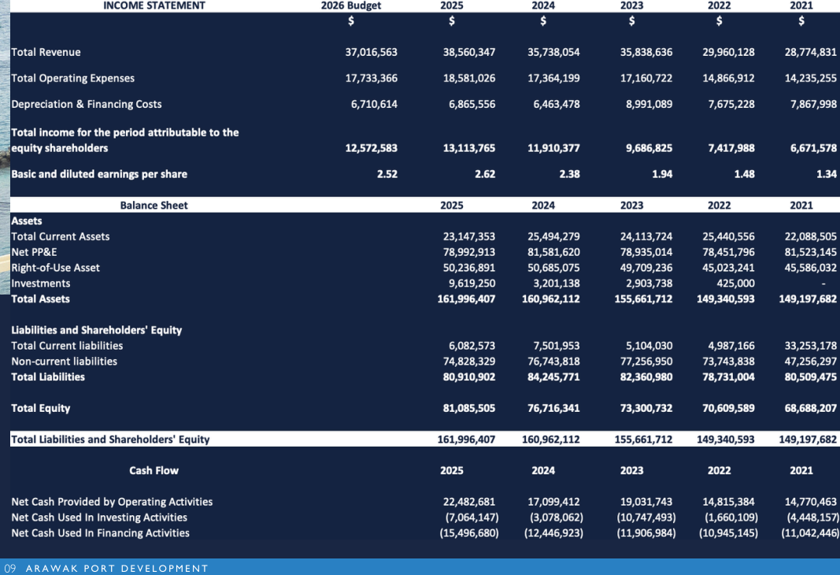

 |  |  |  |  |  | FY26 Budget from Annual Report

