Income Assumptions
(Thousands of Bahamian Dollars) All assumptions are highlighted in BLUE
 |  |  | Historical |  |  |  |  | Projections
Income Statement Assumptions: |  | Units | FY21 | FY22 | FY23 | FY24 | FY25 | FY26 | FY27 | FY28 | FY29 | FY30
 |  | Sanity Check | 200,229
 | Total Revenue: | $ Thousands | 200,229 | 217,981 | 231,091 | 241,981 | 242,173 | 247,698 | 254,065 | 260,829 | 267,311 | 274,157
 | Revenue Growth Rate: | % | 3.8% | 8.9% | 6.0% | 4.7% | 0.1% | 2.3% | 2.6% | 2.7% | 2.5% | 2.6%

 | Service Rev - Prepaid | $ Thousands | 50,458 | 54,866 | 61,388 | 64,451 | 68,393 | 71,470 | 74,329 | 76,931 | 79,238 | 81,219 | Higher-margin, stickier mobile base. This is the people who have monthly plans and pay. Claim to have 50% market share, growth will likely slow down gradually
 | Growth Rate: | % | 4.6% | 8.7% | 11.9% | 5.0% | 6.1% | 4.5% | 4.0% | 3.5% | 3.0% | 2.5%
 | Service Rev - Prepaid % Revenue | % | 25% | 25% | 27% | 27% | 28% | 29% | 29% | 29% | 30% | 30%

 | Service Rev - Mobile Postpaid | $ Thousands | 19,022 | 20,968 | 22,684 | 22,868 | 23,486 | 24,191 | 24,916 | 25,664 | 26,434 | 27,227 | Core broadband and legacy TV business. As they upsell ALIVFibr customers into mobile bundles this should see steady growth
 | Growth Rate: | % | 6.0% | 10.2% | 8.2% | 0.8% | 2.7% | 3.0% | 3.0% | 3.0% | 3.0% | 3.0%
 | Service Rev - Mobile Postpaid % Revenue | % | 10% | 10% | 10% | 9% | 10% | 10% | 10% | 10% | 10% | 10%

 | Service Rev - Fixed Postpaid | $ Thousands | 103,318 | 113,659 | 118,376 | 120,598 | 117,617 | 118,793 | 120,575 | 122,987 | 125,447 | 128,583 | The legacy biz. shrank by 2.5% bc of legacy TV "cord-cutting" but ALIVFibr broadband uptake is meant to offset this. Conservative recovery.
 | Growth Rate: | % | 4.6% | 10.0% | 4.2% | 1.9% | -2.5% | 1.0% | 1.5% | 2.0% | 2.0% | 2.5%
 | Service Rev - Fixed Postpaid % Revenue | % | 52% | 52% | 51% | 50% | 49% | 48% | 47% | 47% | 47% | 47%

 | Sale of telecommunication equipment | $ Thousands | 12,506 | 11,598 | 10,154 | 9,835 | 8,298 | 8,609 | 8,932 | 9,233 | 9,510 | 9,760
 | Growth Rate: | % | -5.5% | -7.3% | -12.5% | -3.1% | -15.6% | 3.7% | 3.7% | 3.4% | 3.0% | 2.6%
 | Sale of comms equpment % of Prepaid & Mobile Postpaid Revenue | % | 18% | 15% | 12% | 11% | 9% | 9% | 9% | 9% | 9% | 9%

 | Equipment rental revenue | $ Thousands | 8,265 | 8,833 | 9,038 | 8,890 | 9,587 | 9,503 | 9,646 | 9,839 | 10,036 | 10,287 | The surge in equipment rental revenue isn't coming from legacy cable TV set-top boxes its being driven by the ALIVFibr rollout
 | Growth Rate: | % | -3.8% | 6.9% | 2.3% | -1.6% | 7.8% | -0.9% | 1.5% | 2.0% | 2.0% | 2.5%
 | Equipment rental revenue % Fixed Postpaid | % | 8% | 8% | 8% | 7% | 8% | 8% | 8% | 8% | 8% | 8%

 | Interconnect & Roaming | $ Thousands | 4,287 | 5,412 | 6,762 | 12,686 | 12,008 | 12,436 | 12,902 | 13,337 | 13,737 | 14,098
 | Growth Rate: | % | 11.7% | 26.2% | 25.0% | 87.6% | -5.3% | 3.6% | 3.7% | 3.4% | 3.0% | 2.6%
 | Interconnect & Roaming % of Prepaid & Mobile Postpaid Revenue | % | 6% | 7% | 8% | 15% | 13% | 13% | 13% | 13% | 13% | 13%

 | Other | $ Thousands | 2,373 | 2,646 | 2,690 | 2,653 | 2,784 | 2,695 | 2,764 | 2,838 | 2,908 | 2,983
 | Growth Rate: | % | 2.8% | 11.5% | 1.6% | -1.4% | 4.9% | -3.2% | 2.6% | 2.7% | 2.5% | 2.6%
 | Other % Revenue | % | 1% | 1% | 1% | 1% | 1% | 1% | 1% | 1% | 1% | 1%

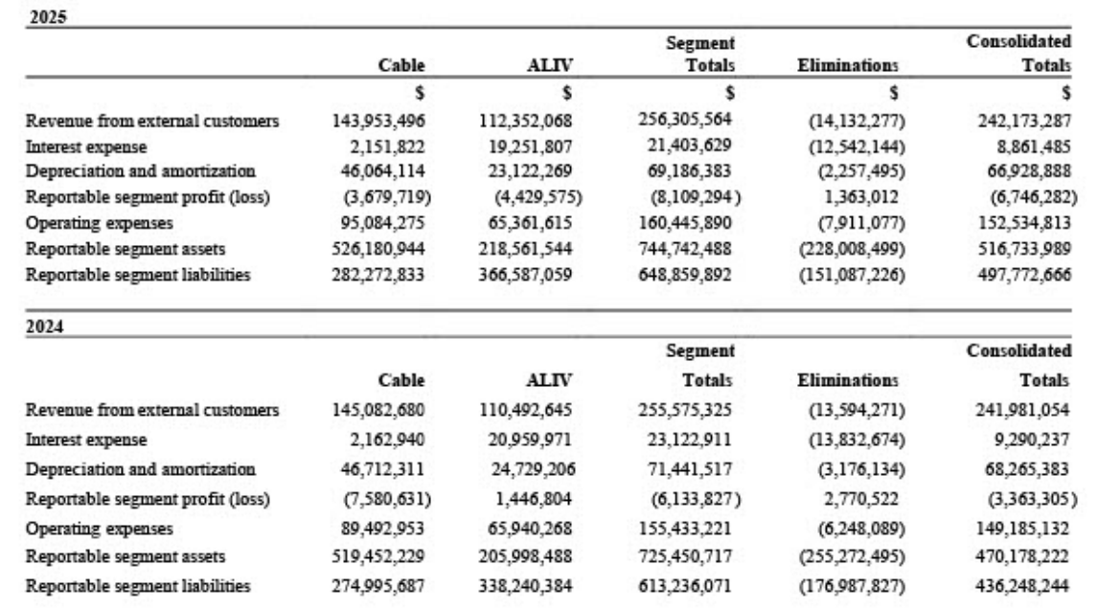
 | ALIV (NCIs own 51.75%)
 | ALIV Revenue: | $ Thousands | 83,314 | 94,803 | 102,758 | 110,493 | 112,352 | 113,941 | 116,870 | 119,981 | 122,963 | 126,112
 | ALIV % Total Revenue: | % | 41.6% | 43.5% | 44.5% | 45.7% | 46.4% | 46.0% | 46.0% | 46.0% | 46.0% | 46.0%

 | ALIV SG&A: | $ Thousands | 70,558 | 70,420 | 66,617 | 65,940 | 65,362
 | ALIV % Total SG&A | % | 49.5% | 49.4% | 46.4% | 44.2% | 42.9%

 | ALIV EBITDA: | $ Thousands | 5,482 | 16,865 | 28,848 | 47,136 | 37,945 | 44,437 | 46,748 | 49,192 | 51,644 | 54,228 | FY25's margin was crushed by the one-off charges management flagged...normalized ALIV EBITDA margin is ~40%
 | ALIV EBITDA Margin: | % | 6.6% | 17.8% | 28.1% | 42.7% | 33.8% | 39.0% | 40.0% | 41.0% | 42.0% | 43.0%

 | ALIV D&A: | $ Thousands | 26,517 | 26,431 | 26,848 | 24,729 | 23,122 | 22,294 | 18,456 | 14,843 | 11,483 | 10,199 | % OF D&A margin should fall in same pattern as ALIV EBITDA margin as D&A will decrease as ALIV rollout finishes
 | ALIV % of Total D&A: | % | 54.76% | 42.87% | 42.79% | 36.23% | 34.55% | 34.00% | 33.00% | 32.00% | 31.00% | 31.00%

 | ALIV Interest Expense: | $ Thousands | 19,886 | 21,882 | 24,482 | 20,960 | 19,252 | 19,000 | 18,600 | 18,200 | 17,800 | 17,400
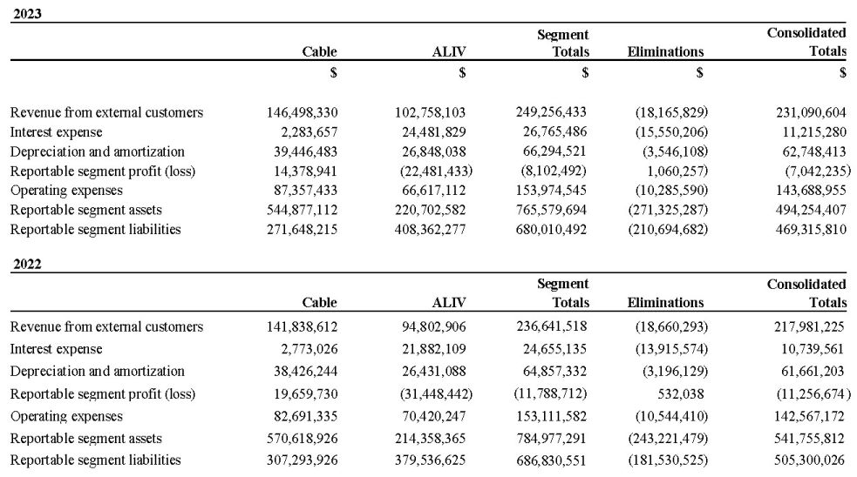
 | ALIV Net Income: | $ Thousands | (40,921) | (31,448) | (22,481) | 1,447 | (4,430) | 3,143 | 9,692 | 16,149 | 22,362 | 26,630 | Reportable segment profit (loss) on FY25 Note 23.

 | Cost of Goods Sold | $ Thousands | 34,632 | 33,718 | 30,970 | 31,387 | 25,023 | 26,008 | 26,677 | 27,387 | 28,068 | 28,786 | Was originally grouping direct costs (cogs) and programming costs in FY19-20 so I need to split it and match it to total operating expenses
 | COGS Margin: | % | 17.3% | 15.5% | 13.4% | 13.0% | 10.3% | 10.5% | 10.5% | 10.5% | 10.5% | 10.5%
 | Gross Margin: | % | 82.7% | 84.5% | 86.6% | 87.0% | 89.7% | 89.5% | 89.5% | 89.5% | 89.5% | 89.5%

 | Direct Costs | $ Thousands | 34,632 | 33,718 | 30,970 | 31,387 | 25,023
 | Direct Cocts % DC and PC | % | 65.9% | 65.0% | 64.3% | 63.8% | 59.5%

 | Programming Costs | $ Thousands | 17,913 | 18,123 | 17,204 | 17,788 | 17,011
 | Programming Costs % DC and PC | % | 34.1% | 35.0% | 35.7% | 36.2% | 40.5%

 | Direct Costs & Programming Costs | $ Thousands | 52,546 | 51,841 | 48,174 | 49,176 | 42,034

 | SG&A w/ direct costs (what shows on actual 10-K): |  | 142,444 | 142,567 | 143,689 | 149,185 | 152,535 | 151,743 | 155,032 | 158,297 | 161,552 | 164,922
 | Selling General & Administrative (not with direct costs): | $ Thousands | 107,812 | 108,849 | 112,719 | 117,798 | 127,512 | 125,735 | 128,355 | 130,910 | 133,484 | 136,135

 | Administrative: | $ Thousands | 31,865 | 28,030 | 29,729 | 27,286 | 27,460 | 28,284 | 29,132 | 30,006 | 30,906 | 31,834 | As revenue grows but headcount remains stable post-fiber build this should gain leverage. Modelling it as growing with inflation
 | % Revenue | % | 15.9% | 12.9% | 12.9% | 11.3% | 11.3% | 11.4% | 11.5% | 11.5% | 11.6% | 11.6%
 | Growth Rate: | % |  | -12.0% | 6.1% | -8.2% | 0.6% | 3.0% | 3.0% | 3.0% | 3.0% | 3.0%

 | Commercial and Customer Operations: | $ Thousands | 17,710 | 18,364 | 19,064 | 23,382 | 24,951 | 25,450 | 25,959 | 26,478 | 27,008 | 27,548 | Marketing was heavy during the ALIVFibr launch. Step this down slightly by FY30 as the product matures.
 | % Revenue | % |  | 8.4% | 8.2% | 9.7% | 10.3% | 10.3% | 10.2% | 10.2% | 10.1% | 10.0%
 | Growth Rate: | % |  | 3.7% | 3.8% | 22.7% | 6.7% | 2.0% | 2.0% | 2.0% | 2.0% | 2.0%

 | Programming Costs: | $ Thousands | 17,913 | 18,123 | 17,204 | 17,788 | 17,011 | 16,977 | 16,926 | 16,858 | 16,774 | 16,690 | As legacy TV subscribers stop total programming costs will naturally decline
 | % Revenue | % | 8.9% | 8.3% | 7.4% | 7.4% | 7.0% | 6.9% | 6.7% | 6.5% | 6.3% | 6.1%
 | Growth Rate: | % |  | 1.2% | -5.1% | 3.4% | -4.4% | -0.2% | -0.3% | -0.4% | -0.5% | -0.5%

 | Network Operations: | $ Thousands | 15,066 | 16,347 | 17,070 | 9,119 | 12,216 | 12,705 | 13,086 | 13,348 | 13,615 | 13,887 | Spiked during the active construction of the ALIVFibr network and once the Abaco fiber build is complete (mid FY27) these costs will normalize to maintenance levels
 | % Revenue | % | 7.5% | 7.5% | 7.4% | 3.8% | 5.0% | 5.1% | 5.2% | 5.1% | 5.1% | 5.1%
 | Growth Rate: | % |  | 8.5% | 4.4% | -46.6% | 34.0% | 4.0% | 3.0% | 2.0% | 2.0% | 2.0%

 | Enginerring: | $ Thousands | 15,718 | 16,486 | 16,213 | 25,491 | 26,677 | 27,210 | 27,754 | 28,309 | 28,876 | 29,453 | Engineering costs peaked during the heavy nassau rollout. Stabilize at a low growth rate for routine maintenance.
 | % Revenue | % | 7.8% | 7.6% | 7.0% | 10.5% | 11.0% | 11.0% | 10.9% | 10.9% | 10.8% | 10.7%
 | Growth Rate: | % |  | 4.9% | -1.7% | 57.2% | 4.7% | 2.0% | 2.0% | 2.0% | 2.0% | 2.0%

 | Government and Regulatory Fees: | $ Thousands | 9,540 | 11,498 | 13,439 | 14,731 | 19,197 | 15,110 | 15,498 | 15,911 | 16,306 | 16,724 | Reverting this back to the historical 6.1% of Rev bc the FY25 spike was a one-time tax penalty and URCA fees and business licenses scale directly with revenue so I'll keep it flat
 | % Revenue | % | 4.8% | 5.3% | 5.8% | 6.1% | 7.9% | 6.1% | 6.1% | 6.1% | 6.1% | 6.1%
 | Growth Rate: | % |  | 20.5% | 16.9% | 9.6% | 30.3% | -21.3% | 2.6% | 2.7% | 2.5% | 2.6%

 | Other Operating Expenses | $ Thousands
 | Other Operating Income: | $ Thousands | 363 | 28 | (644) | (334) | 2,529 | 0 | 0 | 0 | 0 | 0
 | % Revenue | % | 0.2% | 0.0% | (0.3%) | (0.1%) | 1.0% | 0.0% | 0.0% | 0.0% | 0.0% | 0.0%

 | Other | $ Thousands
 | Pre-tax Cost of Debt: Interest Expense / Total Debt | % | 12.70% | 9.33% | 10.00% | 8.77% | 9.12% |  |  |  |  |  | Have a lot of risk (funding through pref. shares), so they can't get good rates for typical bank loans (current commercial borrowing rates in Bahamas 5.5%-9.5%) so they are on upper range given risk.
 | Interest Income Yield: Interest Income / Avg. Balance | % | 0.00% | 0.19% | 0.46% | 1.74% | 2.52% | 2% | 2% | 2% | 2% | 2% | Took midpoint of 1.74% and 2.52%
 | Average Balance: Prior cash, term deposits, st. inv + Current yr) / 2 | $ Thousands | 54,711 | 107,617 | 106,388 | 85,480 | 91,704 | 109,648 | 100,538 | 101,884 | 103,241 | 104,607
 | Effective Tax Rate: | % | 0% | 0% | 0% | 0% | 0% | 0% | 0% | 0% | 0% | 0%

