Income Assumptions
(Thousands of U.S. Dollars) All assumptions are highlighted in BLUE
 |  |  | Historical |  |  |  |  | Projections
Income Statement Assumptions: |  | Units | FY21 | FY22 | FY23 | FY24 | FY25 | FY26 | FY27 | FY28 | FY29 | FY30
 |  |  |  |  |  |  |  |  |  |  |  |  | Active Scenario
 | Total Revenue: | $ Thousands | 66,864 | 94,105 | 180,211 | 133,967 | 132,073 | 128,730 | 204,082 | 208,734 | 142,128 | 149,378 | Base |  |  |  |  |  |  | New 25-yr OfReg license issued and effective 8/1/26 with lower rates (affects only retail). The new license adds an annual July 1 adjustment, so instead of a flat line you now get yearly increases. Lower revenue in FY26 but better and safer growth after.
 | Revenue Growth Rate: | % | (7.9%) | 40.7% | 91.5% | (25.7%) | (1.4%) | (2.5%) | 58.5% | 2.3% | (31.9%) | 5.1% |  |  | FY26 (based on FY25 10-K, MD&A, CC and Q1 26 Investor Presentation, 10-Q and CC) |  |  |  |  |  | Link
 |  |  |  |  |  |  |  |  |  |  |  |  | Retail |  | FY26 | FY27-30
 | Retail: | $ Thousands | 22,105 | 25,954 | 30,158 | 31,741 | 33,588 | 33,252 | 34,582 | 35,965 | 37,404 | 38,900 | Bull |  | 1.0% | 5.0% | 5.0% | 5.0% | 5.0% | Stronger tourism offsets lower OfReg rates. They had record air arrivals +11.1% in Q1-26 (earnings call)
 | Growth Rate: | % | (4%) | 17% | 16% | 5% | 6% | (1%) | 4% | 4% | 4% | 4% | Base |  | (1.0%) | 4.0% | 4.0% | 4.0% | 4.0% | FY26: Revenue lower due to stepdown of lower OfReg rates. FY25: Record volume of 1.09B gallons of water sold (+8.3%) due to historically low rainfall on Grand Cayman. Q1-26 Call: Revenue fell $834k (volume of water in Grand Cayman fell 10.2% due to "significantly greater rainfall", slightly offset by record tourism).
 | % Revenue | % | 33% | 28% | 17% | 24% | 25% | 26% | 17% | 17% | 26% | 26% | Bear |  | (4.0%) | 3.0% | 3.0% | 3.0% | 3.0% | FY25: Revenue would've been 1.9M lower under new OfReg rates. Assumes 2025 positive volume from low rainfall fully reverses and it is a normal/wet year

 |  |  |  |  |  |  |  |  |  |  |  |  | Bulk |  | FY26 | FY27-30
 | Bulk: | $ Thousands | 26,801 | 32,991 | 34,595 | 33,673 | 33,481 | 34,151 | 34,834 | 35,531 | 36,241 | 36,966 | Bull |  | 5.0% | 4.0% | 3.0% | 3.0% | 3.0% | Full year Cat Island capacity and higher fuel related charges pass through to customers
 | Growth Rate: | % | 10% | 23% | 5% | (3%) | (1%) | 2% | 2% | 2% | 2% | 2% | Base |  | 2.0% | 2.0% | 2.0% | 2.0% | 2.0% | 2 new desalination plants come online in Cat Island, Bahamas (1st one contributed in Q1 2026).
 | % Revenue | % | 40% | 35% | 19% | 25% | 25% | 27% | 17% | 17% | 25% | 25% | Bear |  | 0.0% | 0.0% | 0.0% | 0.0% | 0.0% | Lower fuel related charges that passes through to customers like FY25 (FY25 call) fully offsets Cat Island plants and Bahamas Water and Sewage collection risk (81% of receivables late) |  | Link

 |  |  |  |  |  |  |  |  |  |  |  |  | Manufacturing |  | FY26 | FY27-30 |  |  |  | Mgmt guides FY26 manufacturing below the 2025 record $18.7M (Q1 2026 call). Q1-26 manufacturing fell 76% to $1.4M on purchase-order timing. Rebounding FY27-30 as management expanded to a 47,500 sq/ft Fort Pierce, Florida facility stating "This expansion allows us to handle more production volume and manage several projects at once. It's particularly well timed as there has been a significant increase in bidding activity for municipal water projects in Florida. Given the extended lead times associated with these municipal initiatives, we anticipate that they will contribute to growth in 2027" (FY25 call) and "We believe that our extensive experience manufacturing large-scale membrane-based water treatment systems as well as our location in Fort Pierce, Florida position us well to continue growing that part of the business in the Florida market. We believe all these factors will positively impact 2026 and 2027 revenues" (Q1-26 call).
 | Manufacturing: | $ Thousands | 4,073 | 6,324 | 17,491 | 17,595 | 18,692 | 15,327 | 17,626 | 19,036 | 19,988 | 20,588 | Bull |  | (10.0%) | 20.0% | 10.0% | 6.0% | 5.0%
 | Growth Rate: | % | (67%) | 55% | 177% | 1% | 6% | (18%) | 15% | 8% | 5% | 3% | Base |  | (18.0%) | 15.0% | 8.0% | 5.0% | 3.0%
 | % Revenue | % | 6% | 7% | 10% | 13% | 14% | 12% | 9% | 9% | 14% | 14% | Bear |  | (28.0%) | 5.0% | 3.0% | 2.0% | 2.0%

 |  |  |  |  |  |  |  |  |  |  |  |  | Services | FY25 | FY26 | FY27-30
 | Services: | $ Thousands | 13,885 | 28,835 | 97,967 | 50,956 | 46,312 | 46,000 | 117,040 | 118,202 | 48,494 | 52,924 | Bull | 45,546 | 67,283 | 132,561 | 102,692 | 62,961 | 71,657
 | Growth Rate: | % | 7% | 108% | 240% | (48%) | (9%) | (1%) | 154% | 1% | (59%) | 9% | Base | 45,546 | 46,000 | 117,040 | 118,202 | 48,494 | 52,924
 | % Revenue | % | 21% | 31% | 54% | 38% | 35% | 36% | 57% | 57% | 34% | 35% | Bear | 45,546 | 40,717 | 85,371 | 97,038 | 81,719 | 40,413
 |  |  |  |  |  |  |  |  |  |  |  |  | Operations & Maintenance Revenue (FY25 pg. 49)
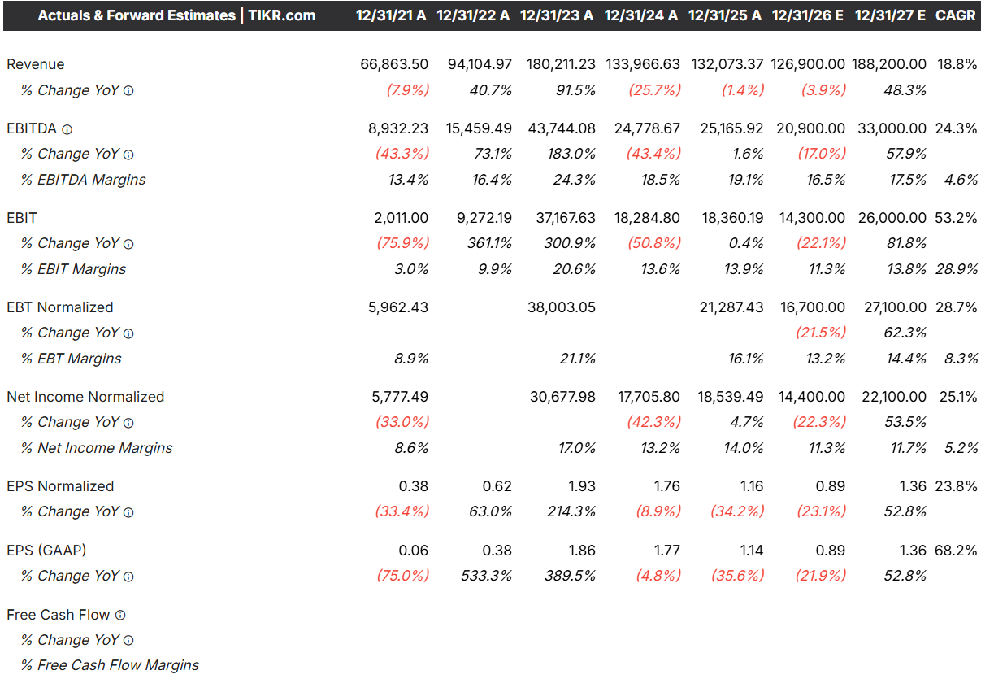
 |  |  |  |  |  |  |  |  |  |  |  |  | Bull | 32,075 | 35,283 | 38,811 | 42,692 | 46,961 | 51,657
 |  |  |  |  |  |  |  |  |  |  |  |  | Base |  | 34,000 | 36,040 | 38,202 | 40,494 | 42,924 | Have it growing 6% a year. Grew 9% FY25, and 15% Q1-26. New Califfornia 3 year/$4.5M contract signed in November of 2025 offsets the federal contract that expired in March 2026 (Q1-26 call)
 |  |  |  |  |  |  |  |  |  |  |  |  | Bear |  | 32,717 | 33,371 | 34,038 | 34,719 | 35,413
 |  |  |  |  |  |  |  |  |  |  |  |  | Construction Revenue (FY25 pg. 49)
 |  |  |  |  |  |  |  |  |  |  |  |  | Bull | 13,471 | 32,000 | 93,750 | 60,000 | 16,000 | 20,000
 |  |  |  |  |  |  |  |  |  |  |  |  | Base |  | 12,000 | 81,000 | 80,000 | 8,000 | 10,000
 |  |  |  |  |  |  |  |  | FY26 | FY27 |  |  | Bear |  | 8,000 | 52,000 | 63,000 | 47,000 | 5,000
 |  |  |  |  |  |  | Analyst Revenue Estimate: |  | 126,900 | 188,200 |  |  | All Construction Revenue | Hawaii Construction | FY26 | FY27 | FY28 | FY29 | FY30
 |  |  |  |  |  |  | Growth Rate: |  | (3.9%) | 48.3% |  |  |  | Bull | 15,000 | 85,000 | 48,000 | 0 | 0 | Kalaeloa, Hawaii project = $148M of initial construction revenue. As of Q1-26 construction still hadn't started and mgmt would only commit to "later this year". To be conservative, i'm assume none of it lands in 2026. The full $148M then phases across FY27 and FY28 as the build ramps and peaks. This single line is what turns services from roughly flat in FY26 into the spike in FY27-28.
 |  |  |  |  |  |  | My Estimate: |  | 128,730 | 204,082 |  |  |  | Base | 0 | 74,000 | 74,000 | 0 | 0
 |  |  |  |  |  |  | Model vs. Analyst |  | 1,830 | 15,882 |  |  |  | Bear | 0 | 45,000 | 60,000 | 43,000 | 0
 |  |  |  |  |  |  |  |  |  |  |  |  |  | Colorado/SF Construction
 |  |  |  |  |  |  |  |  |  |  |  |  |  | Bull | 13,000 | 750 | 0 | 0 | 0 | Management said "More than $13M"
 |  |  |  |  |  |  |  |  |  |  |  |  |  | Base | 10,000 | 3,000 | 0 | 0 | 0 | Have 15.6M of construction contracts. A $3.9M Colorado drinking water plant expansion and a $11.7M Califronia wastewater plant. more than $13M of the $15.6M is still to be recognized, and management said it lands primarily in 2026 (Q1-26 call)
 |  |  |  |  |  |  |  |  |  |  |  |  |  | Bear | 8,000 | 5,000 | 0 | 0 | 0
 |  |  |  |  |  |  |  |  |  |  |  |  |  | New design-build wins
 |  |  |  |  |  |  |  |  |  |  |  |  |  | Bull | 4,000 | 8,000 | 12,000 | 16,000 | 20,000 | In Arizona, PERC continues to use the CDR program to pursue several design-build opportunities for developers in the Phoenix Metropolitan area..we believe that some or all of these CDRs will ultimately lead to a design-build contract for these important wastewater treatment facilities. We've received very positive feedback on outstanding CDRs as well as continued positive feedback from the developer market in general. We're optimistic that these will lead to new projects." and "The drinking water plant expansion in Colorado is a good start and helps us to pursue other design and/or build opportunities in Colorado"
 |  |  |  |  |  |  |  |  |  |  |  |  |  | Base | 2,000 | 4,000 | 6,000 | 8,000 | 10,000
 |  |  |  |  |  |  |  |  |  |  |  |  |  | Bear | 0 | 2,000 | 3,000 | 4,000 | 5,000
 | Cost of Goods Sold | $ Thousands | 43,356 | 63,750 | 118,284 | 88,342 | 83,695 | 83,756 | 145,111 | 147,991 | 92,919 | 96,767
 | Retail:
 | COGS | $ Thousands | 11,061 | 12,549 | 13,891 | 14,199 | 14,594 | 14,963 | 15,458 | 15,969 | 16,495 | 17,038
 | Gross Profit: | $ Thousands | 11,044 | 13,405 | 16,267 | 17,542 | 18,994 | 18,289 | 19,124 | 19,997 | 20,909 | 21,862
 | Retail Gross Margin %: | % | 50.0% | 51.7% | 53.9% | 55.3% | 56.6% | 55.0% | 55.3% | 55.6% | 55.9% | 56.2% | Declines due to OfReg rate cut lowering revenue while costs stay but rises annually as license has yearly increases in rates

 | Bulk:
 | COGS | $ Thousands | 17,759 | 23,032 | 24,128 | 23,360 | 22,470 | 23,564 | 24,035 | 24,516 | 25,006 | 25,507
 | Gross Profit: | $ Thousands | 9,042 | 9,959 | 10,467 | 10,313 | 11,011 | 10,587 | 10,799 | 11,014 | 11,235 | 11,459
 | Bulk Gross Margin %: | % | 33.7% | 30.2% | 30.3% | 30.6% | 32.9% | 31.0% | 31.0% | 31.0% | 31.0% | 31.0%

 | Manufacturing:
 | COGS | $ Thousands | 3,829 | 5,195 | 13,467 | 12,271 | 12,181 | 10,729 | 11,986 | 12,945 | 13,592 | 14,000
 | Gross Profit: | $ Thousands | 244 | 1,129 | 4,024 | 5,324 | 6,511 | 4,598 | 5,640 | 6,092 | 6,396 | 6,588
 | Manufacturing Gross Margin %: | % | 6.0% | 17.9% | 23.0% | 30.3% | 34.8% | 30.0% | 32.0% | 32.0% | 32.0% | 32.0% | Declines due to big drop in Manufacturing in FY26

 | Services:
 | COGS | $ Thousands | 10,707 | 22,974 | 66,798 | 38,512 | 34,450 | 34,500 | 93,632 | 94,562 | 37,825 | 40,222
 | Gross Profit: | $ Thousands | 3,178 | 5,862 | 31,169 | 12,445 | 11,862 | 11,500 | 23,408 | 23,640 | 10,669 | 12,702
 | Services Gross Margin %: | % | 22.9% | 20.3% | 31.8% | 24.4% | 25.6% | 25.0% | 20.0% | 20.0% | 22.0% | 24.0% | Falls in FY27-28 due to Hawaii construction

 | Depreciation and Amortization in COGS: | $ Thousands | 5,855 | 5,261 | 5,633 | 5,641 | 5,911 | 6,047 | 5,852 | 5,657 | 5,434 | 5,258
 | % of Total D&A | % | 86.8% | 87.6% | 88.1% | 86.6% | 87.9% | 87.0% | 87.0% | 87.0% | 87.0% | 87.0%

 | Selling General & Administrative: | $ Thousands | 18,350 | 21,070 | 24,752 | 27,537 | 30,116 | 31,146 | 32,087 | 33,059 | 34,060 | 35,102

 | Employee Costs: | $ Thousands | 9,562 | 11,210 | 13,690 | 14,692 | 15,957 | 16,436 | 16,929 | 17,437 | 17,960 | 18,499
 | Growth Rate: |  | N/A | 17.2% | 22.1% | 7.3% | 8.6% | 3.0% | 3.0% | 3.0% | 3.0% | 3.0% | Wage inflation and they have 283 employees
 | % Revenue | % | 14.3% | 11.9% | 7.6% | 11.0% | 12.1% | 12.8% | 8.3% | 8.4% | 12.6% | 12.4%

 | Directors’ Fees and Expenses: | $ Thousands | 852 | 992 | 0 | 0 | 0 | 0 | 0 | 0 | 0 | 0 | Folded into "Other" starting FY23
 | % Revenue | % | 1.3% | 1.1% | 0.0% | 0.0% | 0.0% | 0.0% | 0.0% | 0.0% | 0.0% | 0.0%

 | Office Rent: | $ Thousands | 736 | 793 | 0 | 0 | 0 | 0 | 0 | 0 | 0 | 0
 | % Revenue | % | 1.1% | 0.8% | 0.0% | 0.0% | 0.0% | 0.0% | 0.0% | 0.0% | 0.0% | 0.0%

 | Professional Fees: | $ Thousands | 1,612 | 1,760 | 2,012 | 3,396 | 3,899 | 4,055 | 4,217 | 4,386 | 4,562 | 4,744
 | Growth Rate: |  | N/A | 9.2% | 14.3% | 68.8% | 14.8% | 4.0% | 4.0% | 4.0% | 4.0% | 4.0% | Inflation rate with a premium
 | % Revenue | % | 2.4% | 1.9% | 1.1% | 2.5% | 3.0% | 3.2% | 2.1% | 2.1% | 3.2% | 3.2%

 | Insurance: | $ Thousands | 1,813 | 2,068 | 1,904 | 2,067 | 2,119 | 2,204 | 2,292 | 2,384 | 2,480 | 2,579
 | Growth Rate: |  | N/A | 14.0% | (7.9%) | 8.6% | 2.5% | 4.0% | 4.0% | 4.0% | 4.0% | 4.0% | Inflation rate with a premium
 | % Revenue | % | 2.7% | 2.2% | 1.1% | 1.5% | 1.6% | 1.7% | 1.1% | 1.1% | 1.7% | 1.7%

 | Depreciation and Amortization in SG&A: | $ Thousands | 887 | 746 | 764 | 871 | 813 | 904 | 874 | 845 | 812 | 786
 | % of Total D&A | % | 13.2% | 12.4% | 11.9% | 13.4% | 12.1% | 13.0% | 13.0% | 13.0% | 13.0% | 13.0%

 | Other: | $ Thousands | 2,889 | 3,501 | 6,382 | 6,511 | 7,328 | 7,548 | 7,774 | 8,007 | 8,247 | 8,495
 | Growth Rate: |  | N/A | 21.2% | 82.3% | 2.0% | 12.5% | 3.0% | 3.0% | 3.0% | 3.0% | 3.0%
 | % Revenue | % | 4.3% | 3.7% | 3.5% | 4.9% | 5.5% | 5.9% | 3.8% | 3.8% | 5.8% | 5.7%

 | Total Depreciation and Amortization on COGS and SG&A | $ Thousands | 6,742 | 6,008 | 6,397 | 6,512 | 6,724 | 6,951 | 6,726 | 6,502 | 6,246 | 6,044
 | D&A Margin: | % | 10.1% | 6.4% | 3.5% | 4.9% | 5.1% | 5.4% | 3.3% | 3.1% | 4.4% | 4.0%

 | Other Income (Loss) | $ Thousands | 1,624 | 465 | 828 | 2,394 | 3,025 | 3,328 | 3,146 | 2,677 | 2,951 | 3,547

 | Interest Income: | $ Thousands | 685 | 447 | 696 | 2,094 | 2,670 | 2,971 | 2,787 | 2,318 | 2,592 | 3,187
 | Yield on Beg. Cash | % | N/A | 1.1% | 1.4% | 4.9% | 2.7% | 2.4% | 2.2% | 2.0% | 2.0% | 2.0% | Yield falls over time as interest rates fall over time

 | Interest Expense: | $ Thousands | (10) | (47) | (145) | (102) | (4) | (3) | (1) | 0 | 0 | 0
 | % Revenue | % | (0.0%) | (0.0%) | (0.1%) | (0.1%) | (0.0%) | (0.0%) | (0.0%) | 0.0% | 0.0% | 0.0%

 | Income (Loss) from Affiliates: | $ Thousands | 78 | 102 | 170 | 269 | 228 | 228 | 228 | 228 | 228 | 228 | Held flat
 | % Revenue | % | 0.1% | 0.1% | 0.1% | 0.2% | 0.2% | 0.2% | 0.1% | 0.1% | 0.2% | 0.2%

 | Other: | $ Thousands | 871 | (38) | 107 | 132 | 131 | 131 | 131 | 131 | 131 | 131 | Held flat
 | % Revenue | % | 1.3% | (0.0%) | 0.1% | 0.1% | 0.1% | 0.1% | 0.1% | 0.1% | 0.1% | 0.1%

 | Other |  |  |  |  |  |  |  |  |  |  |  | Cayman domiciled so no income tax. Only pay taxes arises only on US income so the effective rate is low. Recent normalized is 10-11% in FY24-25 and I will use that but raise the tax rate to 14% in FY27-28 due to the Hawaii construction
 | Effective Tax Rate: | % | 0% | 4% | 18% | 11% | 10% | 11% | 18% | 18% | 11% | 11%

