Income Assumptions
(Thousands of Canadian Dollars) All assumptions are highlighted in BLUE
 |  |  | Historical |  |  |  |  | Projections
Income Statement Assumptions: |  | Units | FY21 | FY22 | FY23 | FY24 | FY25 | FY26 | FY27 | FY28 | FY29 | FY30 |  | Emera is a power company so a regulator controls what it can charge on its investments. The more they invest = more revenue they're allowed to earn. That pile of invested money they can earn is a base rate and is forecasted to grow 7%-8% a year (FY25 pg. 1). I used base rates as a starting point for how fast revenue grows then nudged it down a little because they're selling off two businesses.
 |  |  |  |  |  |  |  |  |  |  |  |  | Active Scenario
 | Total Revenue: | $ Thousands | 5,765,000 | 7,588,000 | 7,563,000 | 7,200,000 | 8,776,000 | 8,945,630 | 9,058,255 | 9,578,160 | 10,129,300 | 10,713,602 | Base
 | Revenue Growth Rate: | % | 4.7% | 31.6% | (0.3%) | (4.8%) | 21.9% | 1.9% | 1.3% | 5.7% | 5.8% | 5.8%
 |  |  |  |  |  |  |  |  |  |  |  |  |  |  | FY26 (based on FY25 Annual Report, MD&A, CCS and 2026 Investor Presentation, Quart. Report and CCs) |  |  |  |  | Revenue | Mgmt Base Rate
 | Florida Electric Utility: | $ Thousands | 2,718,000 | 3,287,000 | 3,556,000 | 3,460,000 | 4,346,000 | 4,563,300 | 4,837,098 | 5,127,324 | 5,434,963 | 5,761,061 | Florida Electric Utility: |  | FY26 | FY27-30 |  |  |  | CAGR (24-30) |  | This segment is the growth engine. People keep moving to Florida and they won big rate increases in the 2024 rate case and Emera is pouring money into solar, grid, and storm hardening that they earn on. It runs ahead of rate base only because FY25 was a big step-up year and inflates the CAGR.
 | Growth Rate: | % | 10% | 21% | 8% | (3%) | 26% | 5% | 6% | 6% | 6% | 6% | Bull |  | 7.0% | 8.5% | 8.5% | 8.0% | 8.0% |  | 8.20%
 | % Revenue | % | 47% | 43% | 47% | 48% | 50% | 51% | 53% | 54% | 54% | 54% | Base |  | 5.0% | 6.0% | 6.0% | 6.0% | 6.0% | 8.87%
 |  |  |  |  |  |  |  |  |  |  |  |  | Bear |  | 3.0% | 4.0% | 4.0% | 4.0% | 4.0%

 | Canadian Electric Utilities: | $ Thousands | 1,501,000 | 1,675,000 | 1,671,000 | 1,855,000 | 1,944,000 | 2,021,760 | 2,143,066 | 2,250,219 | 2,362,730 | 2,480,866 | Canadian Electric Utilities: |  | FY26 | FY27-30 |  |  |  | CAGR (24-30) |  | New rates were approved starting May 2026 and they keep investing in reliability and electrification like heat pumps. It's below rate base because those new rates only started partway through 2026 and 1H 26 had a period where they were spending but not yet collecting, and some of the revenue is just pass through fuel that doesn't grow with the investment.
 | Growth Rate: | % | 0% | 12% | (0%) | 11% | 5% | 4% | 6% | 5% | 5% | 5% | Bull |  | 5.5% | 7.5% | 6.0% | 6.0% | 6.0% |  | 6.90%
 | % Revenue | % | 26% | 22% | 22% | 26% | 22% | 23% | 24% | 23% | 23% | 23% | Base |  | 4.0% | 6.0% | 5.0% | 5.0% | 5.0% | 4.96%
 |  |  |  |  |  |  |  |  |  |  |  |  | Bear |  | 2.5% | 4.5% | 3.5% | 3.5% | 3.5%

 | Gas Utilities and Infrastructure: | $ Thousands | 1,276,000 | 1,704,000 | 1,524,000 | 1,609,000 | 1,756,000 | 1,659,420 | 1,418,804 | 1,525,214 | 1,639,605 | 1,762,576 | Gas Utilities and Infrastructure: |  | FY26 | FY27-30 |  |  |  | CAGR (24-30) |  | People's Gas by itself is a strong growe but New Mexico Gas is inside this segment and they're selling it, so revenue falls. The 9.4% rate base is only the Peoples business they're keeping so it doesn't show the New Mexico loss. It's more of a sale story than a weakness in operations
 | Growth Rate: | % | 21% | 34% | (11%) | 6% | 9% | (6%) | (15%) | 8% | 8% | 8% | Bull |  | (4.5%) | (13.5%) | 9.0% | 9.0% | 9.0% |  | 9.40%
 | % Revenue | % | 22% | 22% | 20% | 22% | 20% | 19% | 16% | 16% | 16% | 16% | Base |  | (5.5%) | (14.5%) | 7.5% | 7.5% | 7.5% | 1.53%
 |  |  |  |  |  |  |  |  |  |  |  |  | Bear |  | (6.5%) | (15.5%) | 6.0% | 6.0% | 6.0%

 | Other Electric Utilities: | $ Thousands | 445,000 | 518,000 | 526,000 | 566,000 | 577,000 | 548,150 | 537,187 | 553,303 | 569,902 | 586,999 | Other Electric Utilities: |  | FY26 | FY27-30 |  |  |  | CAGR (24-30) |  | This is the Caribbean segments revenue. Same story as the Gas Utilitilies and Infra segment. Barbados is a slow growth island utility, and they sold Grand Bahama Power in May 2026 so will no longer collect that revenue. The rate base figure from management is only on the business kept so CAGR is well below rate base.
 | Growth Rate: | % | (6%) | 16% | 2% | 8% | 2% | (5%) | (2%) | 3% | 3% | 3% | Bull |  | (3.5%) | (1.0%) | 4.0% | 4.0% | 4.0% |  | 6.10%
 | % Revenue | % | 8% | 7% | 7% | 8% | 7% | 6% | 6% | 6% | 6% | 5% | Base |  | (5.0%) | (2.0%) | 3.0% | 3.0% | 3.0% | 0.61%
 |  |  |  |  |  |  |  |  |  |  |  |  | Bear |  | (6.5%) | (3.0%) | 2.0% | 2.0% | 2.0%

 | Other: | $ Thousands | (175,000) | 440,000 | 339,000 | (248,000) | 206,000 | 206,000 | 175,100 | 175,100 | 175,100 | 175,100 | Other: |  | FY26 | FY27-30
 | Growth Rate: | % | (1350%) | (351%) | (23%) | (173%) | (183%) | 0% | (15%) | 0% | 0% | 0% | Bull |  | 5.0% | 0.0% | 0.0% | 0.0% | 0.0%
 | % Revenue | % | (3%) | 6% | 4% | (3%) | 2% | 2% | 2% | 2% | 2% | 2% | Base |  | 0.0% | (15.0%) | 0.0% | 0.0% | 0.0%
 |  |  |  |  |  |  |  |  |  |  |  |  | Bear |  | (10.0%) | (25.0%) | 0.0% | 0.0% | 0.0%

 | Eliminations: | $ Thousands | 0 | (36,000) | (53,000) | (42,000) | (53,000) | (53,000) | (53,000) | (53,000) | (53,000) | (53,000)
 | % Revenue | % | 0% | (0%) | (1%) | (1%) | (1%) | (1%) | (1%) | (1%) | (1%) | (0%)
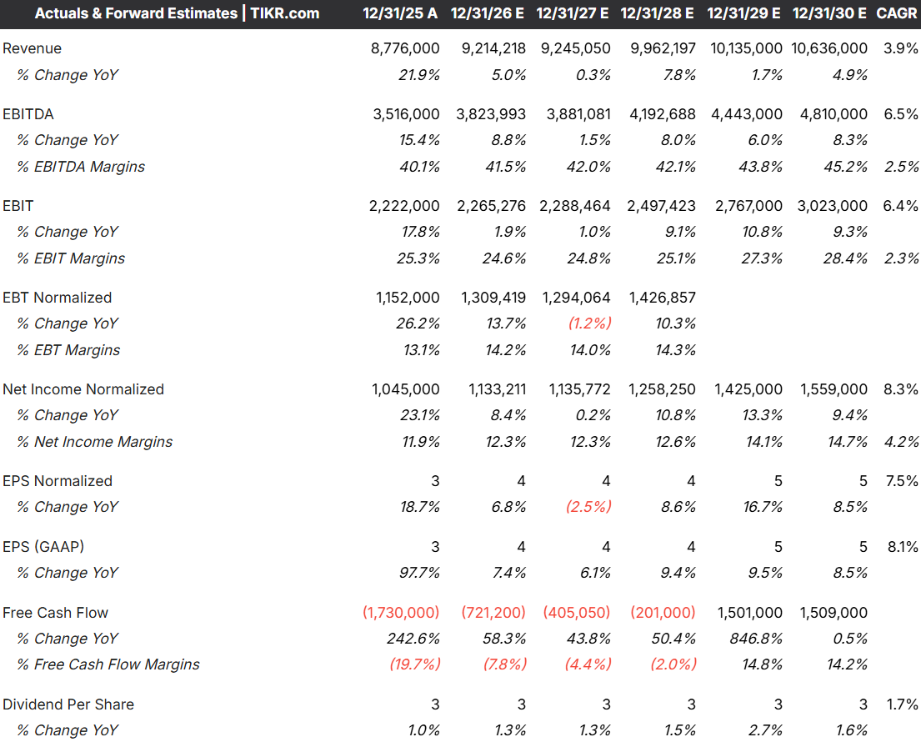

 |  |  |  |  |  |  |  | FY26 | FY27 | FY28 | FY29 | FY30 | CAGR 24-30
 |  |  |  |  |  | Analyst Revenue Estimate: |  | 9,214,218 | 9,245,050 | 9,962,197 | 10,135,000 | 10,636,000 | 6.72%
 |  |  |  |  |  | Growth Rate: |  | 5.0% | 0.3% | 7.8% | 1.7% | 4.9%
 |  |  |  |  |  | My Estimate: |  | 8,945,630 | 9,058,255 | 9,578,160 | 10,129,300 | 10,713,602 | 6.85%
 |  |  |  |  |  | Model vs. Analyst |  | (268,588) | (186,795) | (384,037) | (5,700) | 77,602 |  | Link
 |  |  |  |  |  |  |  |  |  |  |  | Management Rate Base | 7.40% | July and August 2026 Marketing Deck (pg. 36)

 | Operating Expenses: | $ Thousands | 4,835,000 | 5,959,000 | 5,769,000 | 6,120,000 | 6,801,000 | 6,808,751 | 6,940,313 | 7,294,063 | 7,734,152 | 8,195,129

 | Regulated Fuel for Generation and Purchased Power: | $ Thousands | 1,763,000 | 2,171,000 | 1,881,000 | 1,992,000 | 2,161,000 | 2,182,734 | 2,192,098 | 2,279,602 | 2,390,515 | 2,506,983 | Cost of the gas and power Tampa and Nova Scotia burn to make electricity. Customers pay it back dollar-for-dollar, so there's no profit but falling as a % rev because Tampa Electric building out solar farms
 | % Revenue | % | 30.6% | 28.6% | 24.9% | 27.7% | 24.6% | 24.4% | 24.2% | 23.8% | 23.6% | 23.4%

 | Regulated Cost of Natural Gas: | $ Thousands | 472,000 | 800,000 | 527,000 | 396,000 | 448,000 | 447,282 | 443,854 | 459,752 | 476,077 | 492,826
 | % Revenue | % | 8.2% | 10.5% | 7.0% | 5.5% | 5.1% | 5.0% | 4.9% | 4.8% | 4.7% | 4.6% | Same idea as fuel for generation and purchased power as steps down drops as Tampa Electric builds out solar farms and New Mexico Gas Company is sold mid-2026.

 | Operating Maintenance and General Expenses: | $ Thousands | 1,368,000 | 1,596,000 | 1,879,000 | 1,918,000 | 2,337,000 | 2,325,864 | 2,309,855 | 2,394,540 | 2,532,325 | 2,678,401 | Mgmt keeps talking about efficiency and using AI to trim costs and 2025's number was inflated by one-time Nova Scotia cyberattack costs
 | % Revenue | % | 23.7% | 21.0% | 24.8% | 26.6% | 26.6% | 26.0% | 25.5% | 25.0% | 25.0% | 25.0%

 | Provincial, State and Municipal Taxes: | $ Thousands | 330,000 | 367,000 | 433,000 | 427,000 | 486,000 | 492,010 | 498,204 | 526,799 | 557,112 | 589,248
 | % Revenue | % | 5.7% | 4.8% | 5.7% | 5.9% | 5.5% | 5.5% | 5.5% | 5.5% | 5.5% | 5.5%

 | Total Depreciation and Amortization: | $ Thousands | 902,000 | 952,000 | 1,049,000 | 1,162,000 | 1,294,000 | 1,360,862 | 1,496,302 | 1,633,370 | 1,778,124 | 1,927,671
 | D&A Margin: | % | 15.6% | 12.5% | 13.9% | 16.1% | 14.7% | 15.2% | 16.5% | 17.1% | 17.6% | 18.0%

 | Impairment Charges: | $ Thousands | 0 | 73,000 | 0 | 225,000 | 75,000 | 0 | 0 | 0 | 0 | 0
 | % Revenue | % | 0.0% | 1.0% | 0.0% | 3.1% | 0.9% | 0.0% | 0.0% | 0.0% | 0.0% | 0.0%

 | Other Income (Loss) | $ Thousands | (375,000) | (435,000) | (621,000) | (671,000) | (804,000) | (832,606) | (886,275) | (961,419) | (1,049,439) | (1,130,806)

 | Income from Equity Investments: | $ Thousands | 143,000 | 129,000 | 146,000 | 99,000 | 63,000 | 61,844 | 61,844 | 61,844 | 61,844 | 61,844
 | Yield on Beg. Investment | % | N/A | 9.3% | 10.3% | 7.1% | 9.6% | 9.8% | 9.8% | 9.8% | 9.8% | 9.8% | average of FY22,23,25 yield. FY24 low due to a sale of Labrador stake midway

 | Other Income (Note 9): | $ Thousands | 93,000 | 145,000 | 158,000 | 203,000 | 165,000 | 178,913 | 181,165 | 191,563 | 202,586 | 214,272
 | % Revenue | % | 1.6% | 1.9% | 2.1% | 2.8% | 1.9% | 2.0% | 2.0% | 2.0% | 2.0% | 2.0%

 | Interest Expense (Note 10): | $ Thousands | (611,000) | (709,000) | (925,000) | (973,000) | (1,032,000) | (1,073,362) | (1,129,283) | (1,214,826) | (1,313,869) | (1,406,921)
 | % Revenue | % | (10.6%) | (9.3%) | (12.2%) | (13.5%) | (11.8%) | (12.0%) | (12.5%) | (12.7%) | (13.0%) | (13.1%)

 | Other
 | Effective Tax Rate: | % | (1.1%) | 15.5% | 10.9% | (38.9%) | 6.9% | 11% | 11% | 11% | 11% | 11% | Excludes negative years

